Summary
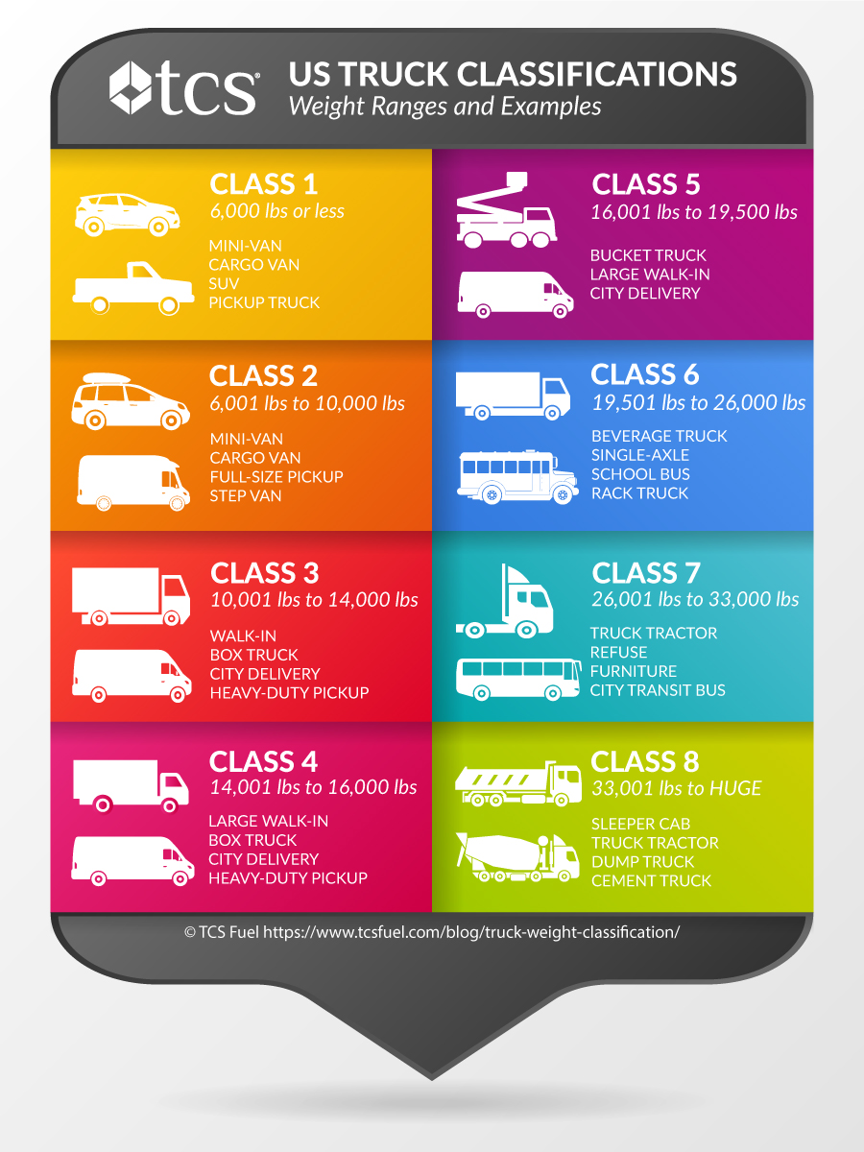
Gross Vehicle Weight Rating (lbs)*1 | Federal Highway Administration*1 |  | Types of Vehicles*2 | Examples*3*4
 |  |  |  | Name | Price ($) | Capacity (cf) | Payload (lb)
<6000 | Class 1: <6,000lbs | Light Duty: <10,000lbs | Cargo Van / Mini Van | Nissan NV200 | $22,300 | 122.7 | 1,480.0
10,000 | Class 2: 6,001-10,000lbs |  | Cargo Van / Mini Van / Step Van | Mercedes Metris Van | $31,200 | 199.0 | 2,500.0
14,000 | Class 3: 10,001-14,000lbs | Medium Duty: 10,001-26,000lbs | Walk-In / City Delivery | Chevrolet Express 3500 | $47,180 | 239.7 | 4,113.0
16,000 | Class 4: 14,001-16,000lbs |  | Large Walk-In / City Delivery | Ford F550 | $54,995 | 743.1 | 12,750.0
19,500 | Class 5: 16,001-19,500lbs |  | Large Walk-In / City Delivery | Chevrolet LCF 5500 | $75,750 | 712.0 | 10,680.0
26,000 | Class 6: 19,501-26,000lbs |  | Bevarage Truck | Chevrolet LCF 5500HD | $95,189 | 1,189.0 | 10,680.0
33,000 | Class 7: 26,001-33,000lbs | Heavy Duty: >26,001lbs | Truck Tractor | - | - | - | -
>33,000 | Class 8: >33,001lbs |  | Truck Tractor | - | - | - | -
*1 DOE "Vehicle Weight Classes & Categories.", https://afdc.energy.gov/data/
*2 TCS "A Guide to Truck Weight, Classification, and Uses." https://www.tcsfuel.com/blog/truck-weight-classification/
*3 Anderson Vans "Cargo Van Weight Limits." https://andersonvans.com/cargo-van-weight-limit/
*4 Comvoy "Package Delivery Trucks for Sale." https://www.comvoy.com/vehicles/Package-Delivery-trucks-for-sale-12l6?page=5

